PSCB Compact Audit
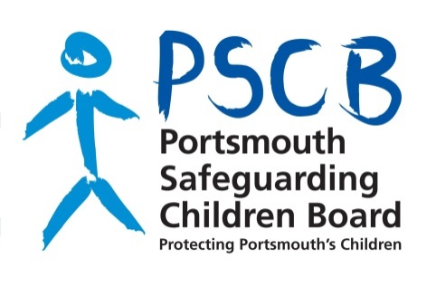

Audit of Arrangements to Safeguard
and Promote the Welfare of Children

Section 11 Children Act 2004
Section 157/175 of the Education Act 2002
Audit Tool 2017-18

